Chart
 |  |  | Doughnut Charts with dynamic coloring

The Doughnut charts can be a very useful tool when showing progress or percentage values. Making them dynamically color, based on their values will definitely increase their impact and will provide better overview of the data shown. A step-by-step guide in how to create a dynamically colored doughnut chart is available in sheet Instructions.
 | 75%
 | 0%
 | 0%
 | 25%
 | 0%
 | 85%
 | 0%
 | 15%
 | 0%
 | 0%
 | 95%
 | 5%

75%
85%
95%

 | Actual | 75% |  | Actual | 85% | Actual | 95% | Color range controls
 | 80% | 75% |  | 80% |  | 80%
 | 90% |  |  | 90% | 85% | 90% |  | Red up to: | 80%
 | 100% |  |  | 100% |  | 100% | 95% | Amber up to: | 90%
 | Max | 25% |  | Max | 15% | Max | 5% | Green over: | 100%

Instructions
1. Data Structuring

This is the actual result that should be displayed

The actual result is displayed in the respective bucket, in order to enable conditional coloring
 | Actual | 75%
 | 80% | 75%
 | 90%
 | 100%
 | Max | 25%

The Max value is the difference between the actual result and the maximum possible one - in this case 100%

2. Inserting a Doughnut chart
After you insert it, go to Design > Select Data
Click on Add and select data in the described way - the three levels and the max result separated with a coma
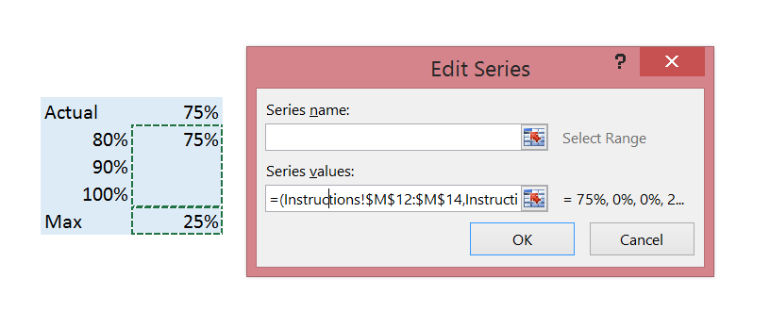

3. This is it! Now you need to adjust the Chart's colors for each level manually
Make sure you go through all possible levels and edit the colors in each one.

