Chart
 | Multi-Stage Progress Bar
 | Not Started | In Progress | Completed
Planning | 0 | 0 | 1
Design | 0 | 1 | 0
Development | 1 | 0 | 0
Testing | 1 | 0 | 0
The Progress Chart can be very useful for high-level visualising the progress of a project, for example. It is a feature, that many people are used to when working with Project Management Tools, and will therefore be appreciated if included in an Excel Report. Furthermore, it is very easy to update once created, doesn't take much space and looks great! A step-by-step guide in how to create a dynamic Progress Chart is available in sheet Instructions.

 | Phase | Status | Not Started | In Progress | Completed | Progress
 | Planning | Completed |  |  | 1
 | Design | In Progress |  | 1 |  | 80%
 | Development | Not Started | 1
 | Testing | Not Started | 1

Instructions
1. Build your data

Phases
Current Status
 | Phase | Status
 | Planning | Completed
 | Design | In Progress
 | Development | Not Started
 | Testing | Not Started

Add all possible statuses

2. Add Status and Formulae

The formulae matche each phase to the current status, giving value 1, where match is true
 | Phase | Status | Not Started | In Progress | Completed
 | Planning | Completed |  |  | 1
 | Design | In Progress |  | 1
 | Development | Not Started | 1
 | Testing | Not Started | 1

3. Format as a Table
This will make the chart automatically update, when new statuses are added

 | Phase | Status | Not Started | In Progress | Completed
 | Planning | Completed |  |  | 1
 | Design | In Progress |  | 1
 | Development | Not Started | 1
 | Testing | Not Started | 1

4. Add the chart

4.1. Select the statuses and the values (F4:H29)

4.2. Go to Insert > Charts > and click on the first 2D Column Chart

This will unfortunately confuse Excel, so we will need to add the data manually

4.3. Right-Click on the new chart and click Select Data…
4.4. Click Edit on the left Series (Legend Series) and edit the data, so that the title is the first status name and the data the column with the formulae for this status
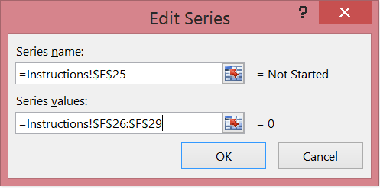

4.5. Click on Add Data again on the left series and add the next status in the same way, as above
4.6. In the end you should have the legend series looking like this:
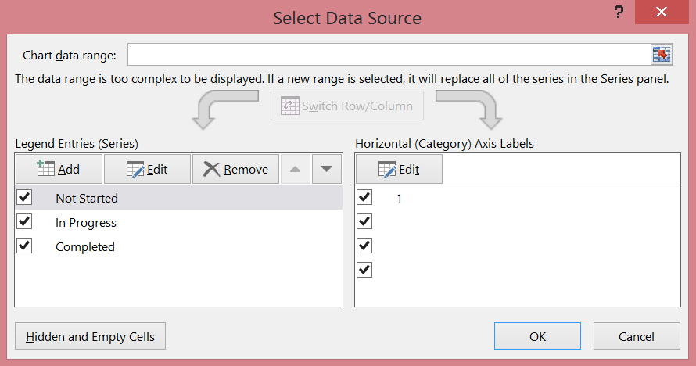

4.7. Now click on Edit on the right (Category) series and select the Phases. You should have something similar to:
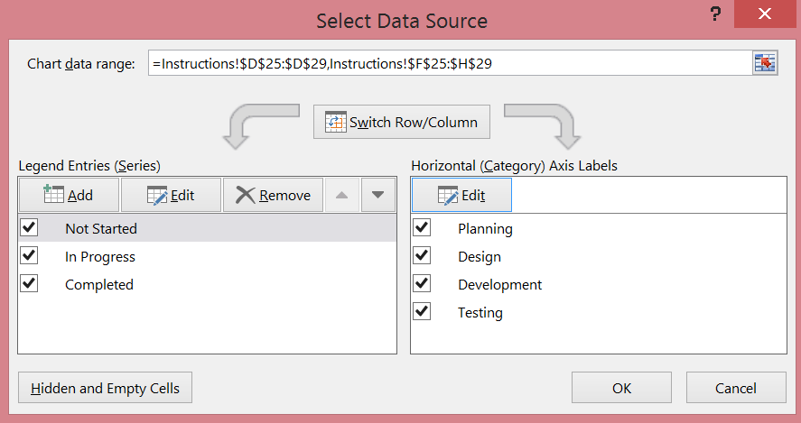
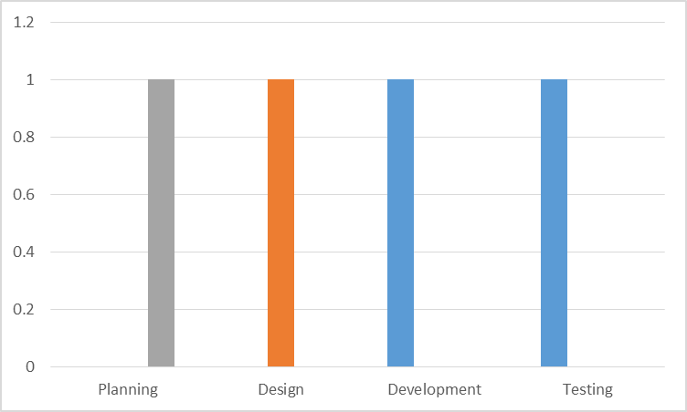

We have the structure of the chart ready. Now we just need to format it

5. Format the Chart

5.1. Right-Click on the chart to open the Format Chart Area menu
5.2. Click on the verticle axis and set the highets value to 1
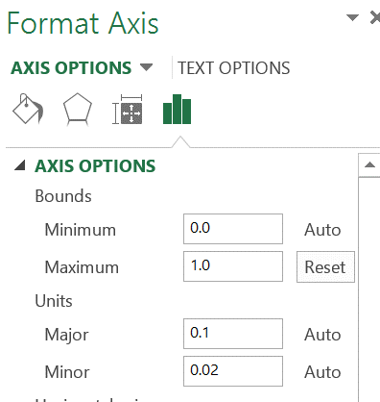

5.2. Click on the horizontal major lines and just delete them
5.3. Click on one of the bars and set Series Overlap to 100% and Gap Width to 0%
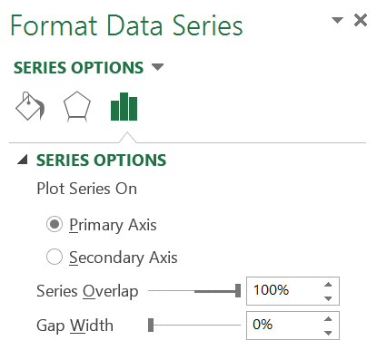

5.4. Click on the verticle axis and delete it
5.5. Click on each bar and set your color preferences
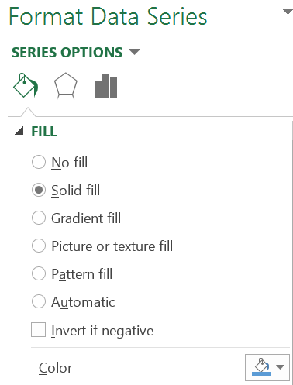

5.6. Click on the Phases names and remove the axis line
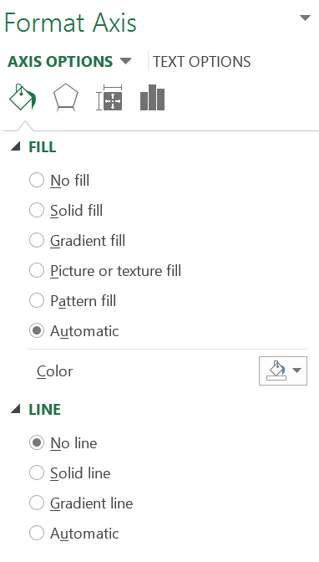

5.7. Add a legend and delete the unnecessary satatuses

6. This is it!

 | Not Started | In Progress | Completed
Planning | 0 | 0 | 1
Design | 0 | 1 | 0
Development | 1 | 0 | 0
Testing | 1 | 0 | 0

7. The last thing that we can do, is to add a completion percentage for each stage

7.1 Add a new Column to the chart with the desired percentage levels

7.2. Click on the chart and add a new chart element - Data Labels > Inside Base

7.3. Excel has now created data labels for all data sets, however, we will need only one.
Right-click on a data lable and select delete. Repeat, until only one data set is left.

7.4. Select the data set and open the Formatting Menu. There, deselect Value and Select Value from Cells.
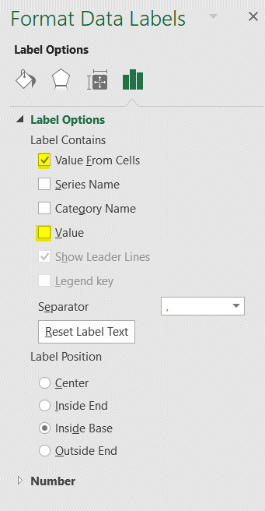

7.5. In the pop-up windw add the data from the Column Progress:

8. Well done! Now our chart is complete!

